M04
Speaker: M04 | Intelligibility: Very Low | Speech Vision Accuracy: 10.94

Model Name | Layers Frozen | Accuracy | Loss graph | Training accuracy graph
M04_E1.h5 | Encoder 1 | 7 | 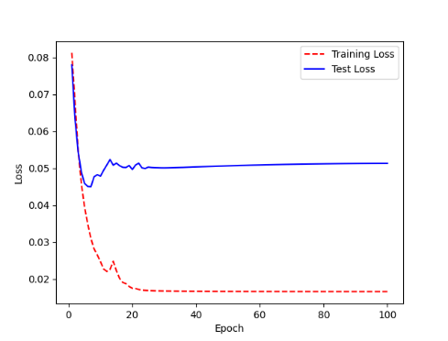 | 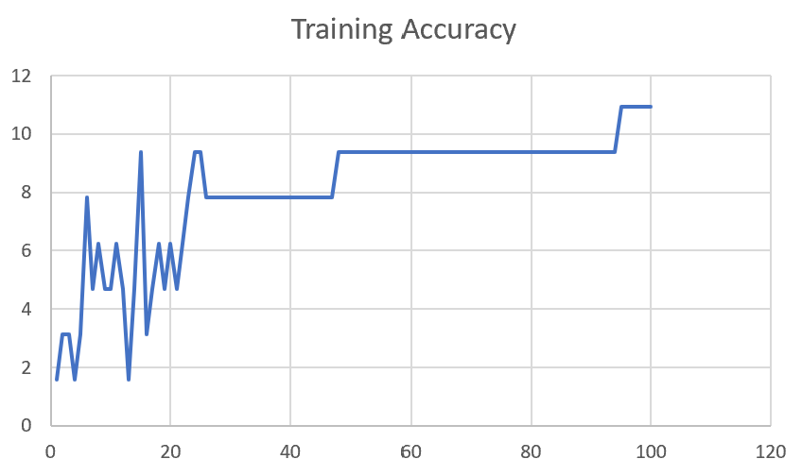

M04_E12.h5 | Encoder 12 | 5 | 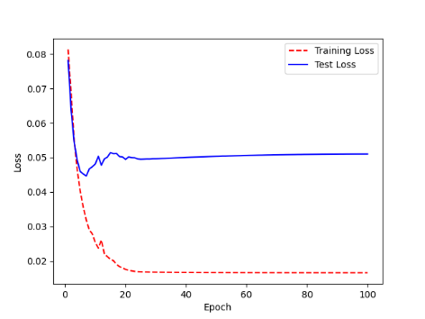 | 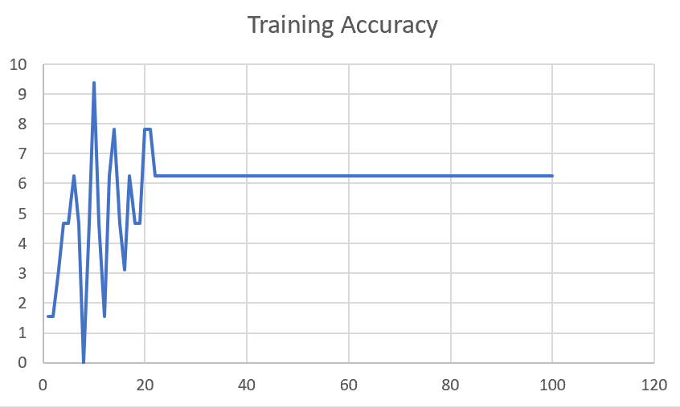

M04_E123 | Encoder 123 | 7 | 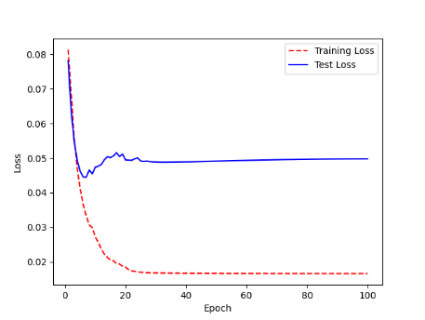 | 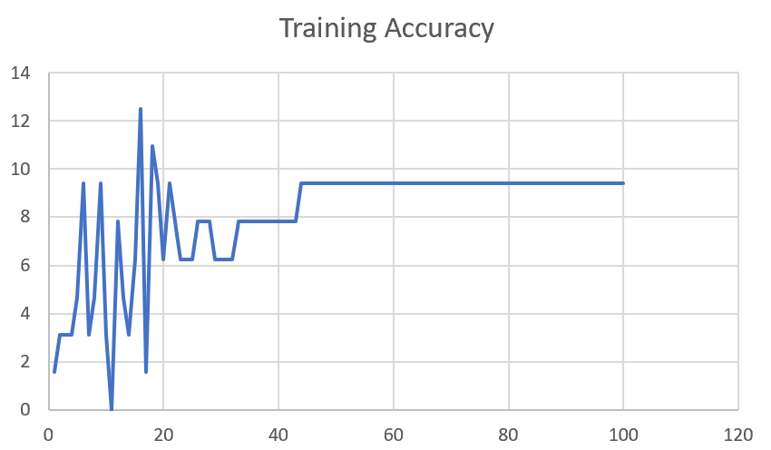

M04_E1234 | Encode 1234 | 6 |  | 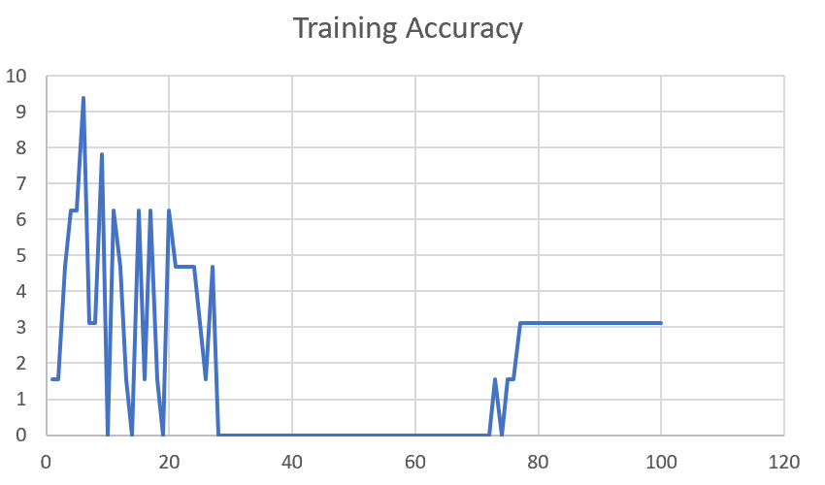

M04_E12345 | Encode 12345 | 6 | 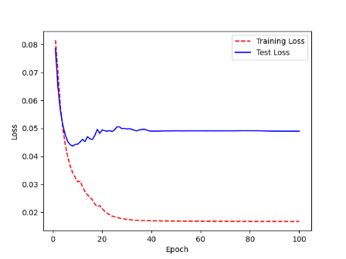 | 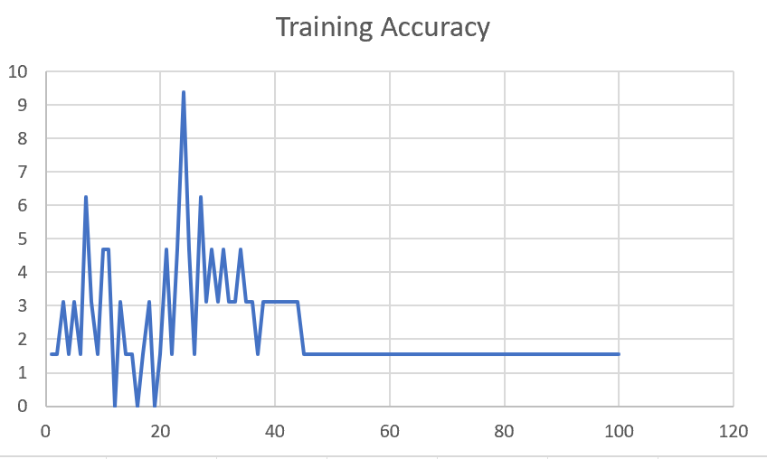

M04_TE | Token Embeddings | 7 | 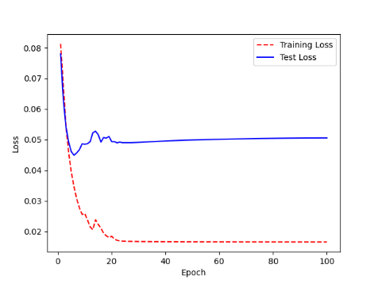 | 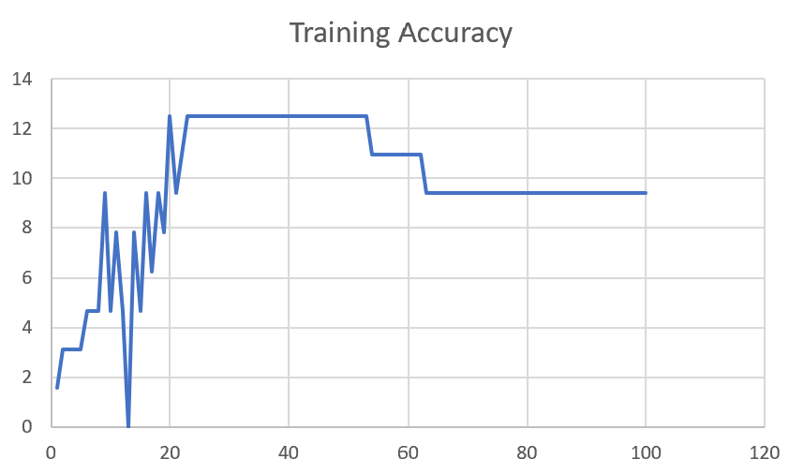

M04_T3+D123 | Token Embeddings + Decoder 1 | 6 | 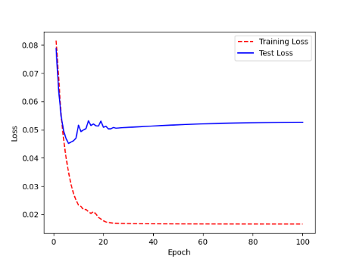 | 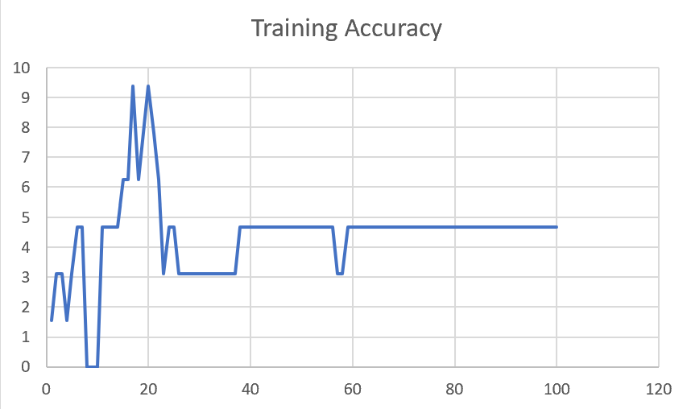

M04_T3+D12 | Token Embeddings + Decoder 12 | 6 | 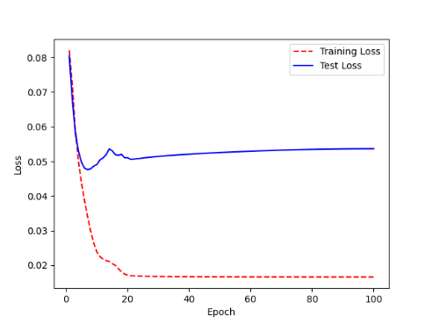 | 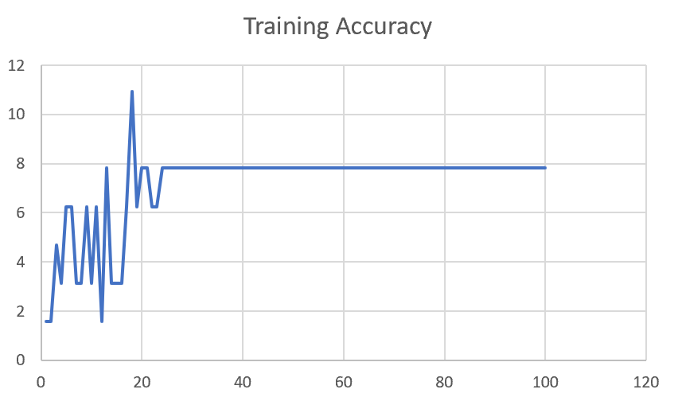

M04_T3+D1 | Token Embeddings + Decoder 123 | 5 | 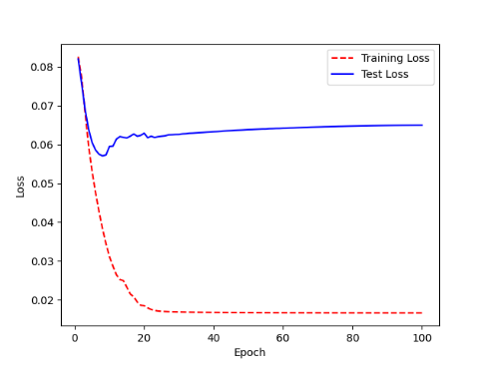 | 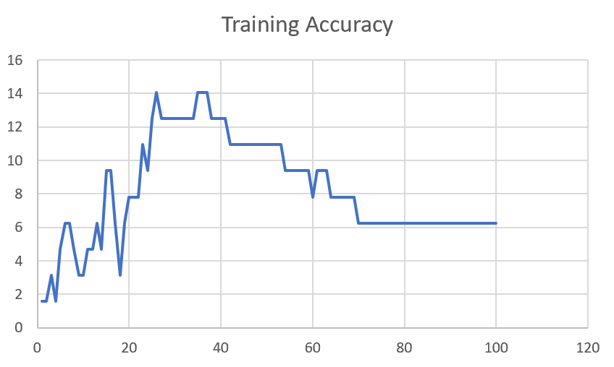

F02
Speaker: F02 | Intelligibility: Low | Speech Vision Accuracy: 67.02

Model Name | Layers Frozen | Accuracy | Loss graph | Training accuracy graph
F02_E1.h5 | Encoder 1 | 47 |  | 

F02_E12.h5 | Encoder 12 | 45 |  | 

F02_E123 | Encoder 123 | 47 |  | 

F02_E1234 | Encode 1234 | 43 |  | 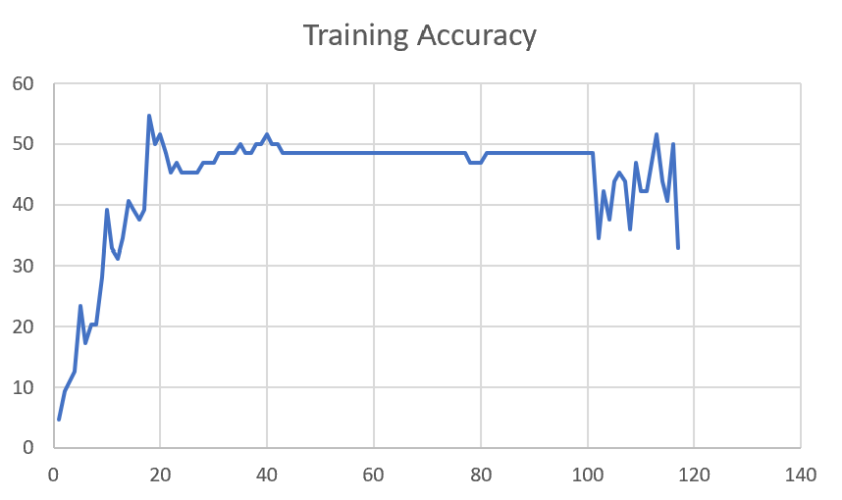

F02_E12345 | Encode 12345 | 41 | 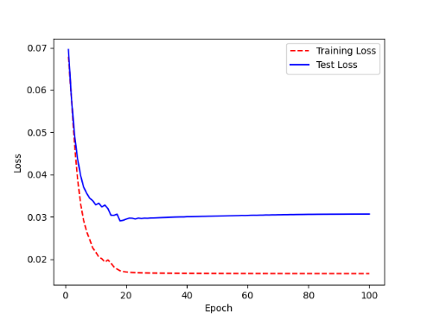 | 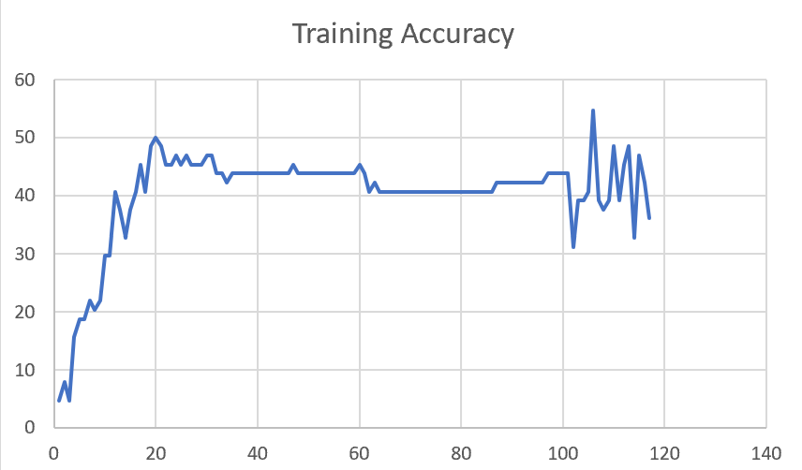

F02_t3 | Token Embeddings | 52 | 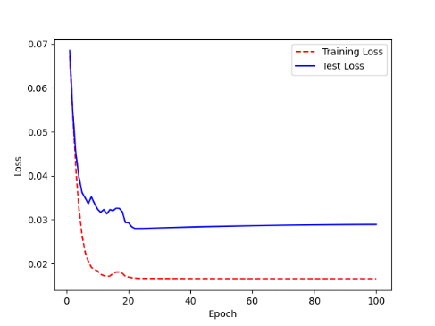 | 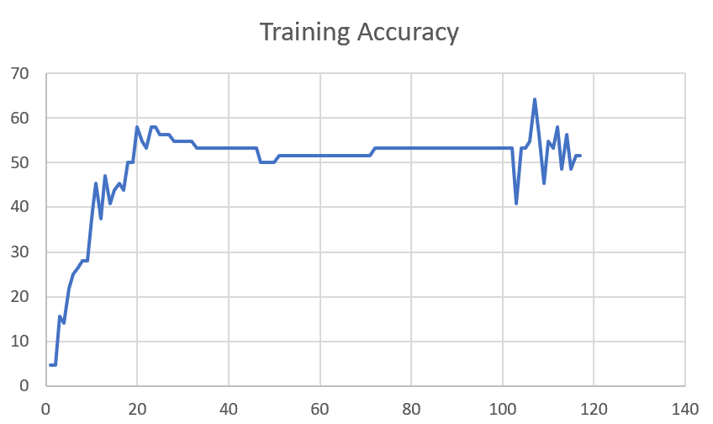

F02_T3+D123 | Token Embeddings + Decoder 123 | 45 | 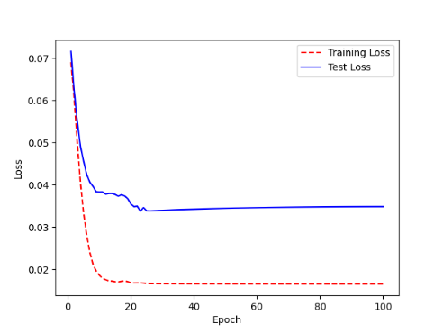 | 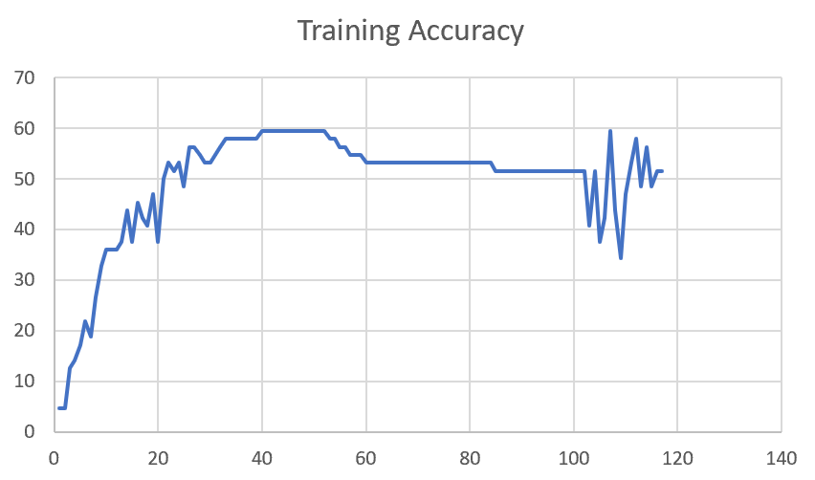

F02_T3+D12 | Token Embeddings + Decoder 12 | 50 | 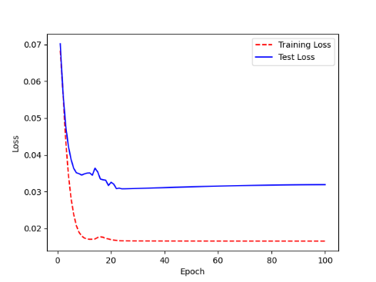 | 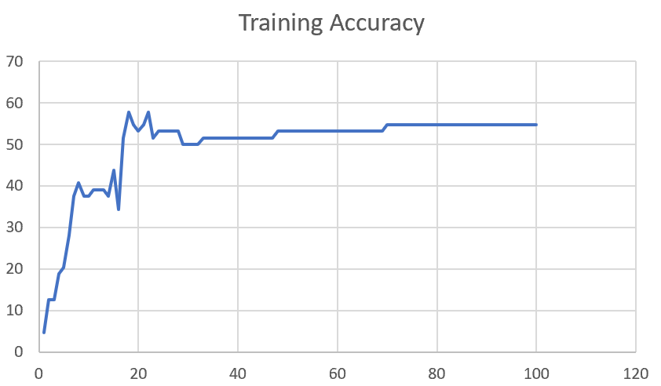

F02_T3+D1 | Token Embeddings + Decoder 1 | 50 | 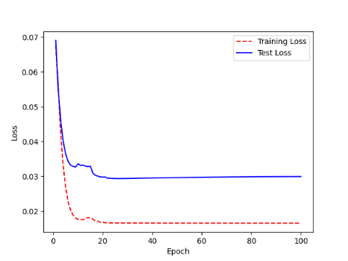 | 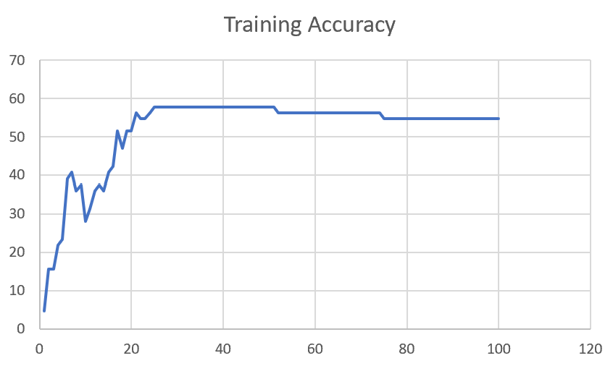

F03
Speaker: F03 | Intelligibility: Very Low | Speech Vision Accuracy: 32.47

Model Name | Layers Frozen | Accuracy | Loss graph | Training accuracy graph
F03_E1.h5 | Encoder 1 | 22 | 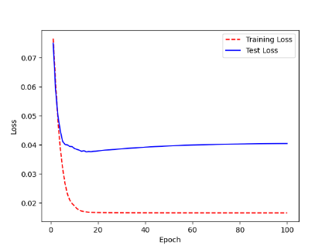 | 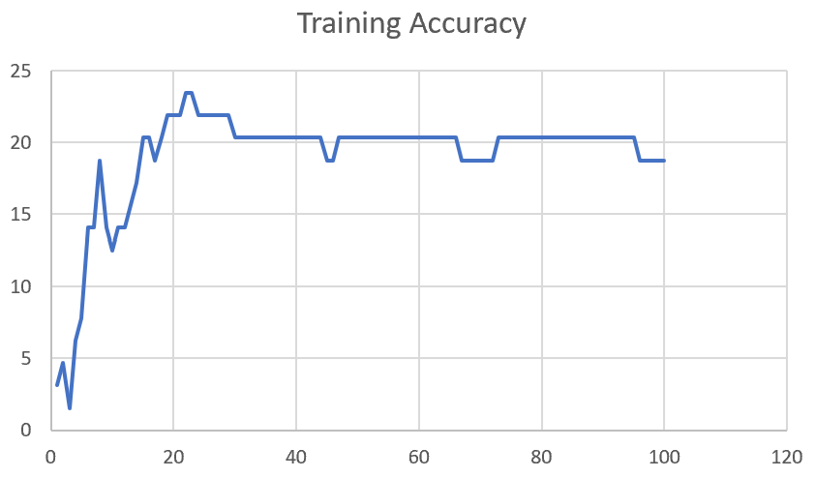

F03_E12.h5 | Encoder 12 | 25 | 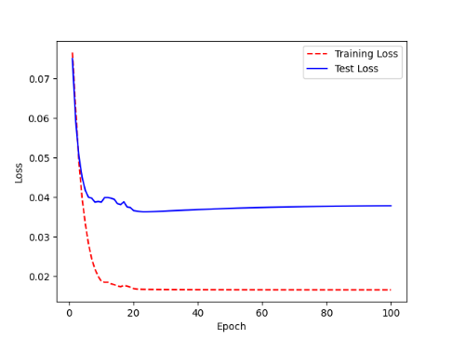 | 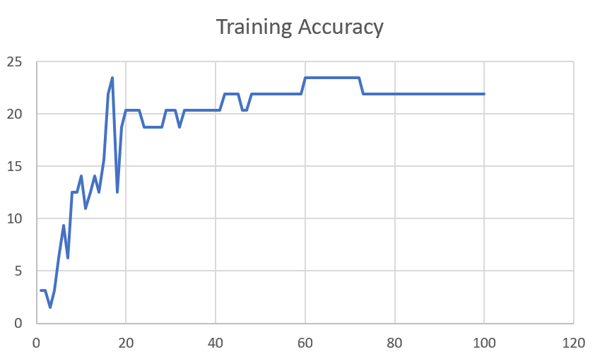

F03_E123 | Encoder 123 | 23 | 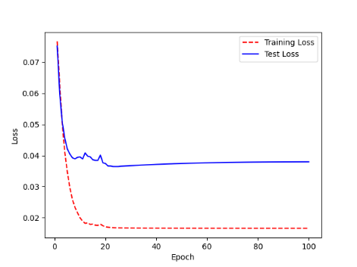 | 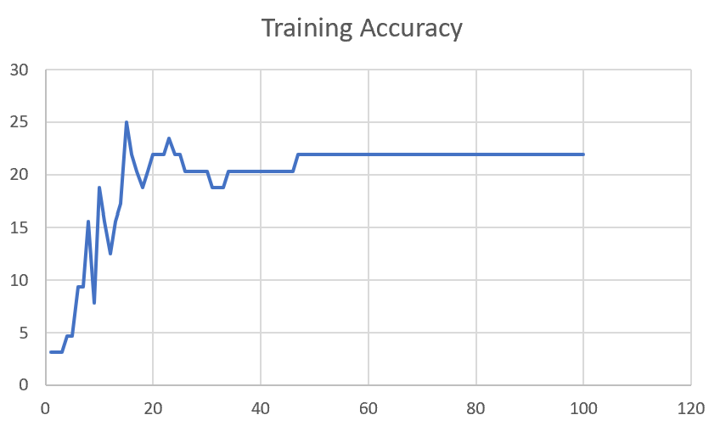

F03_E1234 | Encode 1234 | 20 | 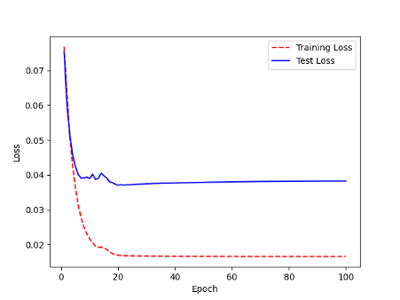 | 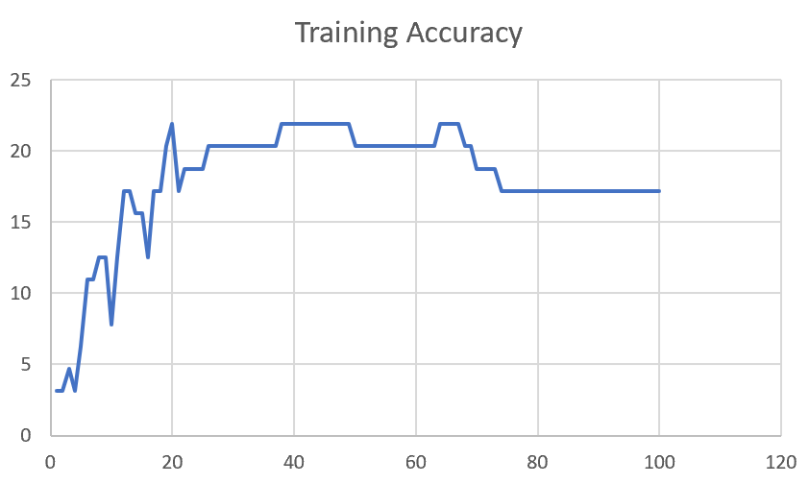

F03_E12345 | Encode 12345 | 19 |  | 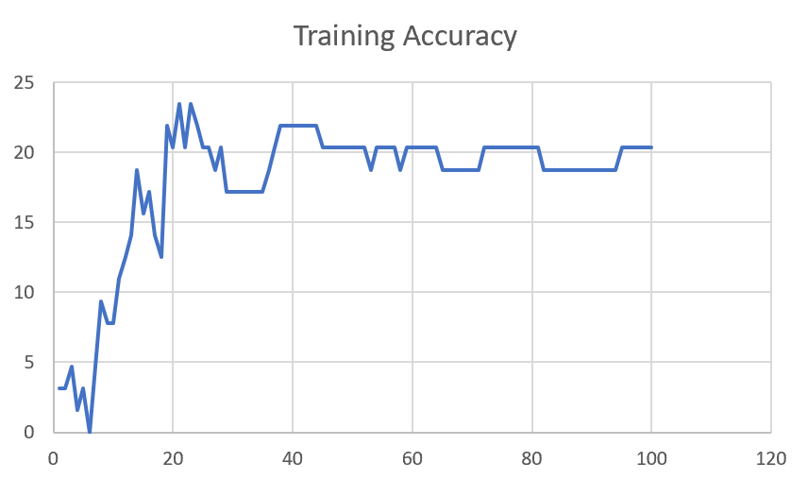

F03_TE | Token Embeddings | 28 |  | 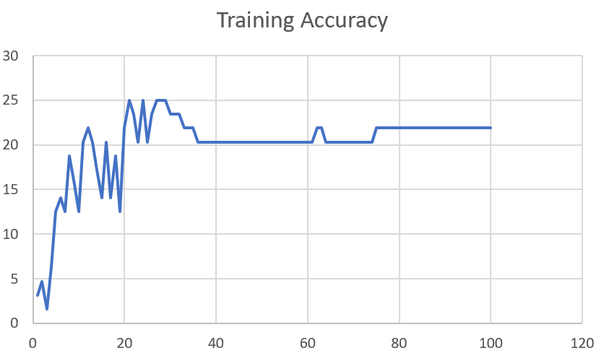

F03_T3+D123 | Token Embeddings + Decoder 1 | 29 |  | 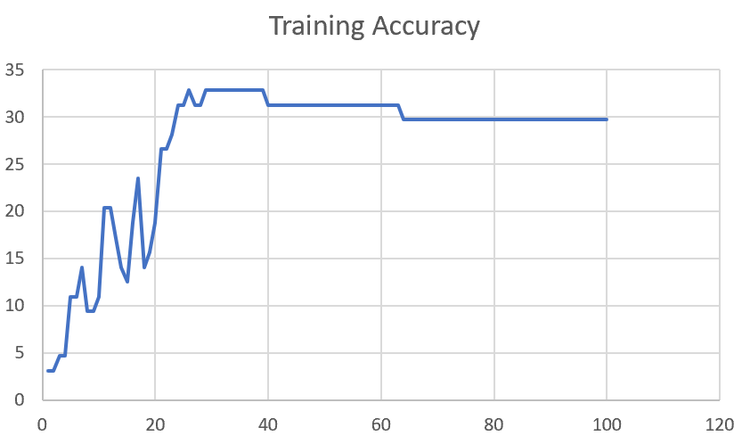

F03_T3+D12 | Token Embeddings + Decoder 12 | 25 | 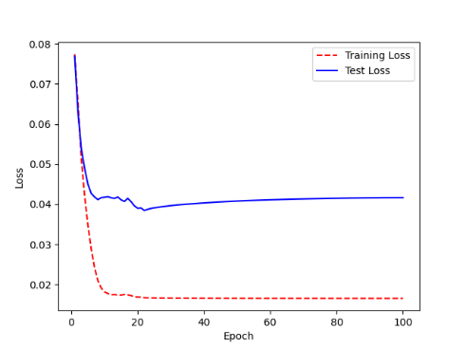 | 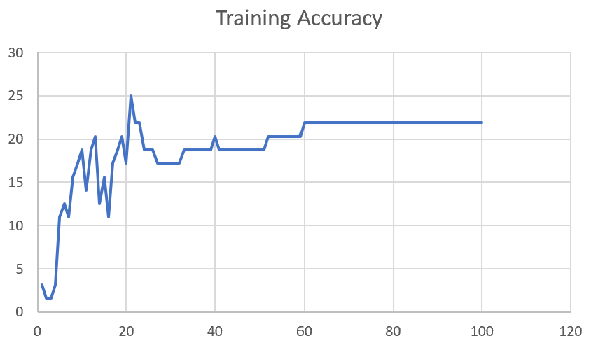

F03_T3+D1 | Token Embeddings + Decoder 123 | 22 | 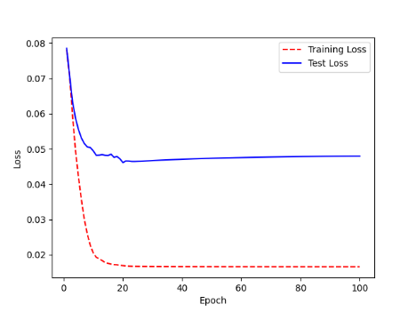 | 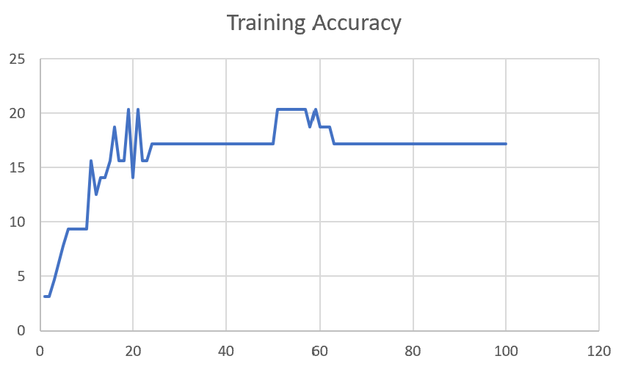

M12
Speaker: M12 | Intelligibility: Very Low | Speech Vision Accuracy: 40.65

Model Name | Layers Frozen | Accuracy | Loss graph | Training accuracy graph
M12_E1.h5 | Encoder 1 | 17 | 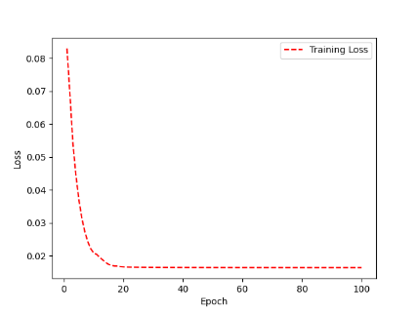 | 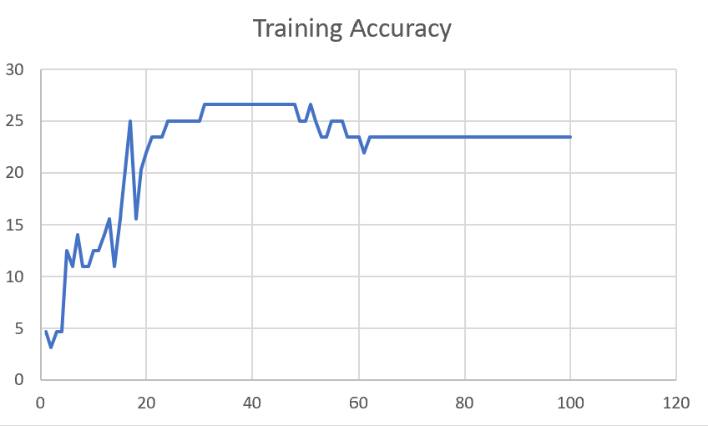

M12_E12.h5 | Encoder 12 | 18 |  | 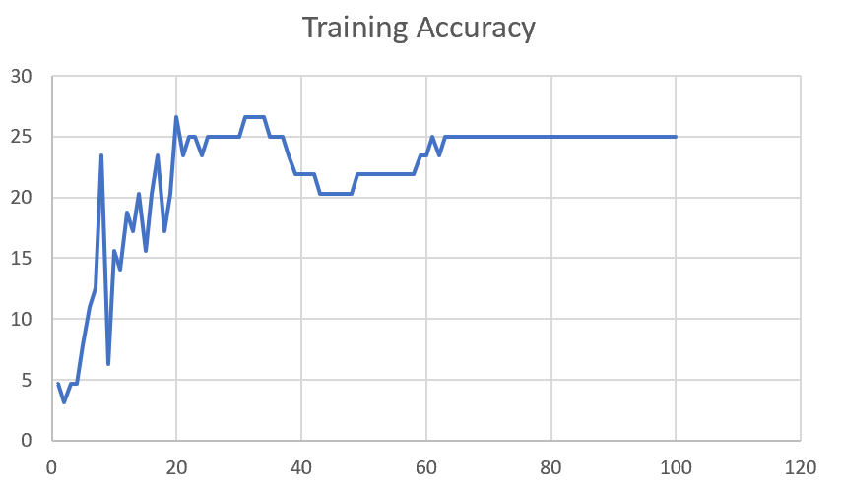

M12_E123 | Encoder 123

M12_E1234 | Encode 1234

M12_E12345 | Encode 12345

M12_TE | Token Embeddings

M12_T3+D123 | Token Embeddings + Decoder 1

M12_T3+D12 | Token Embeddings + Decoder 12

M12_T3+D1 | Token Embeddings + Decoder 123

M12_D3 | Decoder 3

Sheet1
 |  |  | Training Accuracy
0 | 0.953125 | 1 | 4.6875
1 | 0.96875 | 2 | 3.125
2 | 0.953125 | 3 | 4.6875
3 | 0.953125 | 4 | 4.6875
4 | 0.921875 | 5 | 7.8125
5 | 0.890625 | 6 | 10.9375
6 | 0.875 | 7 | 12.5
7 | 0.765625 | 8 | 23.4375
8 | 0.9375 | 9 | 6.25
9 | 0.84375 | 10 | 15.625
10 | 0.859375 | 11 | 14.0625
11 | 0.8125 | 12 | 18.75
12 | 0.828125 | 13 | 17.1875
13 | 0.796875 | 14 | 20.3125
14 | 0.84375 | 15 | 15.625
15 | 0.796875 | 16 | 20.3125
16 | 0.765625 | 17 | 23.4375
17 | 0.828125 | 18 | 17.1875
18 | 0.796875 | 19 | 20.3125
19 | 0.734375 | 20 | 26.5625
20 | 0.765625 | 21 | 23.4375
21 | 0.75 | 22 | 25
22 | 0.75 | 23 | 25
23 | 0.765625 | 24 | 23.4375
24 | 0.75 | 25 | 25
25 | 0.75 | 26 | 25
26 | 0.75 | 27 | 25
27 | 0.75 | 28 | 25
28 | 0.75 | 29 | 25
29 | 0.75 | 30 | 25
30 | 0.734375 | 31 | 26.5625
31 | 0.734375 | 32 | 26.5625
32 | 0.734375 | 33 | 26.5625
33 | 0.734375 | 34 | 26.5625
34 | 0.75 | 35 | 25
35 | 0.75 | 36 | 25
36 | 0.75 | 37 | 25
37 | 0.765625 | 38 | 23.4375
38 | 0.78125 | 39 | 21.875
39 | 0.78125 | 40 | 21.875
40 | 0.78125 | 41 | 21.875
41 | 0.78125 | 42 | 21.875
42 | 0.796875 | 43 | 20.3125
43 | 0.796875 | 44 | 20.3125
44 | 0.796875 | 45 | 20.3125
45 | 0.796875 | 46 | 20.3125
46 | 0.796875 | 47 | 20.3125
47 | 0.796875 | 48 | 20.3125
48 | 0.78125 | 49 | 21.875
49 | 0.78125 | 50 | 21.875
50 | 0.78125 | 51 | 21.875
51 | 0.78125 | 52 | 21.875
52 | 0.78125 | 53 | 21.875
53 | 0.78125 | 54 | 21.875
54 | 0.78125 | 55 | 21.875
55 | 0.78125 | 56 | 21.875
56 | 0.78125 | 57 | 21.875
57 | 0.78125 | 58 | 21.875
58 | 0.765625 | 59 | 23.4375
59 | 0.765625 | 60 | 23.4375
60 | 0.75 | 61 | 25
61 | 0.765625 | 62 | 23.4375
62 | 0.75 | 63 | 25
63 | 0.75 | 64 | 25
64 | 0.75 | 65 | 25
65 | 0.75 | 66 | 25
66 | 0.75 | 67 | 25
67 | 0.75 | 68 | 25
68 | 0.75 | 69 | 25
69 | 0.75 | 70 | 25
70 | 0.75 | 71 | 25
71 | 0.75 | 72 | 25
72 | 0.75 | 73 | 25
73 | 0.75 | 74 | 25
74 | 0.75 | 75 | 25
75 | 0.75 | 76 | 25
76 | 0.75 | 77 | 25
77 | 0.75 | 78 | 25
78 | 0.75 | 79 | 25
79 | 0.75 | 80 | 25
80 | 0.75 | 81 | 25
81 | 0.75 | 82 | 25
82 | 0.75 | 83 | 25
83 | 0.75 | 84 | 25
84 | 0.75 | 85 | 25
85 | 0.75 | 86 | 25
86 | 0.75 | 87 | 25
87 | 0.75 | 88 | 25
88 | 0.75 | 89 | 25
89 | 0.75 | 90 | 25
90 | 0.75 | 91 | 25
91 | 0.75 | 92 | 25
92 | 0.75 | 93 | 25
93 | 0.75 | 94 | 25
94 | 0.75 | 95 | 25
95 | 0.75 | 96 | 25
96 | 0.75 | 97 | 25
97 | 0.75 | 98 | 25
98 | 0.75 | 99 | 25
99 | 0.75 | 100 | 25
<__main__.DisplayOutputs object at 0x7fcc30090610> | 0.75 | #VALUE! | 25
<__main__.DisplayOutputs object at 0x7fcc30090610> | 0.796875 | #VALUE! | 20.3125
<__main__.DisplayOutputs object at 0x7fcc30090610> | 0.890625 | #VALUE! | 10.9375
<__main__.DisplayOutputs object at 0x7fcc30090610> | 0.828125 | #VALUE! | 17.1875
<__main__.DisplayOutputs object at 0x7fcc30090610> | 0.796875 | #VALUE! | 20.3125
<__main__.DisplayOutputs object at 0x7fcc30090610> | 0.734375 | #VALUE! | 26.5625
<__main__.DisplayOutputs object at 0x7fcc30090610> | 0.765625 | #VALUE! | 23.4375
<__main__.DisplayOutputs object at 0x7fcc30090610> | 0.75 | #VALUE! | 25
<__main__.DisplayOutputs object at 0x7fcc30090610> | 0.828125 | #VALUE! | 17.1875
<__main__.DisplayOutputs object at 0x7fcc30090610> | 0.75 | #VALUE! | 25
<__main__.DisplayOutputs object at 0x7fcc30090610> | 0.859375 | #VALUE! | 14.0625
<__main__.DisplayOutputs object at 0x7fcc30090610> | 0.921875 | #VALUE! | 7.8125
<__main__.DisplayOutputs object at 0x7fcc30090610> | 0.875 | #VALUE! | 12.5
<__main__.DisplayOutputs object at 0x7fcc30090610> | 0.875 | #VALUE! | 12.5
<__main__.DisplayOutputs object at 0x7fcc30090610> | 0.79411764706 | #VALUE! | 20.588235294
 |  | 1 | 100
 |  | 1 | 100
<__main__.DisplayOutputs object at 0x7eff3012ee50> | 0.55737704918

